Commodity Codes
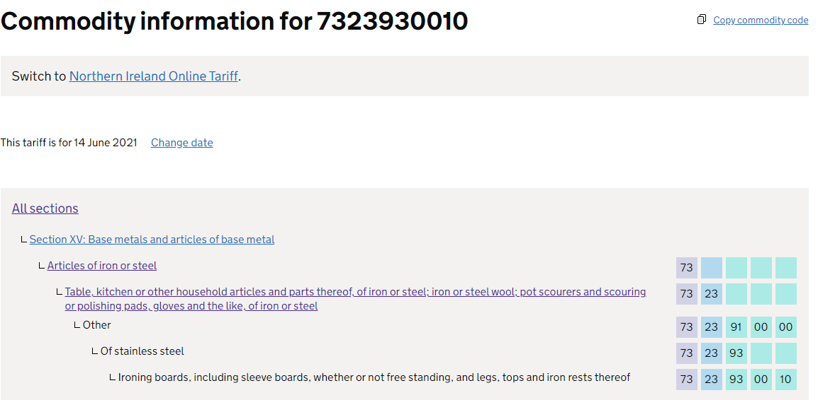
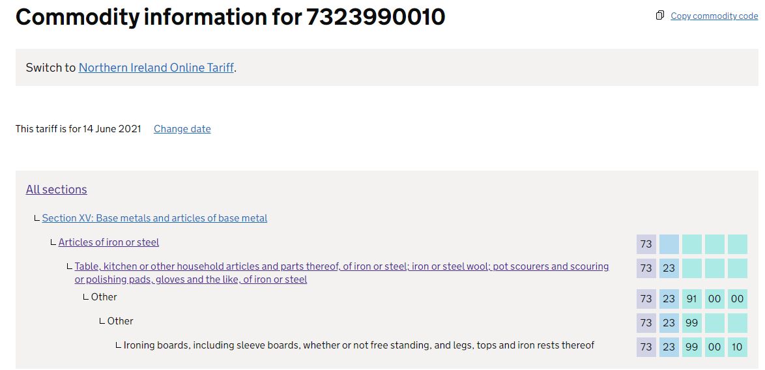

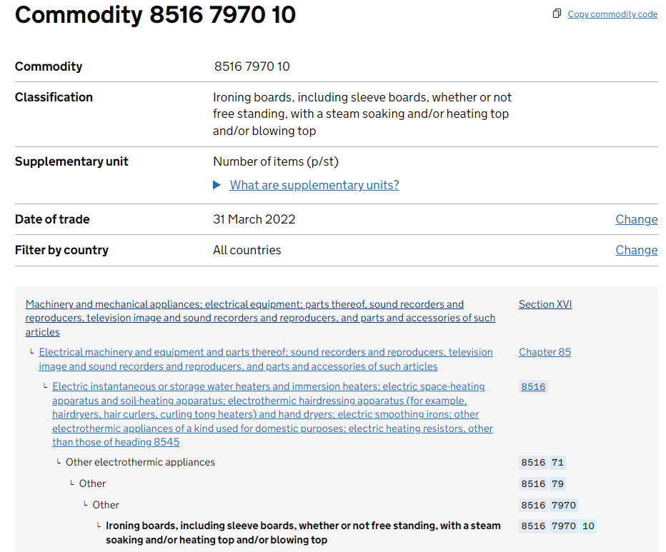
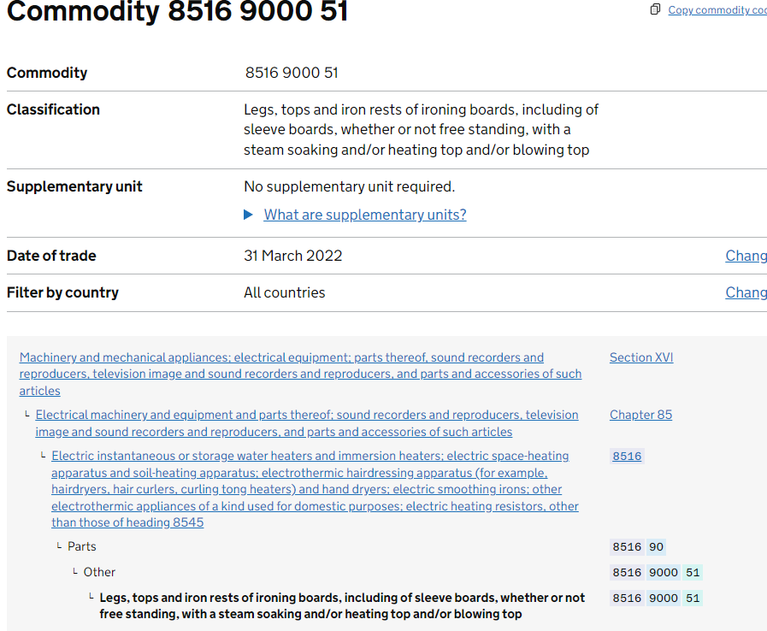

E2 - Metadata
FOI2021/10471 Value and Volume of imports to the UK by country of origin, in selected tariff codes, 2000-2021

Please confirm you have read ALL of this Metadata by clicking on the CONFIRM button at the end of this sheet.

Data Description :
Trade Value, Netmass, Duty Value for imports of tariff codes 3924900010, 7323930010, 7323990010 by country of origin
Table 1: Trade Value, annually, 2012-2020
Table 2: Net Mass, annually, 2012-2020
Table 3: Duty Value calculated at declaration, annually, 2012-2020

Table 4: Trade Value, monthly, Jan-20 to Mar-21
Table 5: Net Mass, monthly, Jan-20 to Mar-21
Table 6: Duty Value, monthly, Jan-20 to Mar-21

Methodology :
All data has been extracted on a 'special trade' basis in the interest of year-to-year comparability. More information on trade bases is available under section 'Changes to methodology' here:
https://www.uktradeinfo.com/trade-data/help-with-using-our-data/

Data Caveats:
All data has had statistical disclosure control (SDC) carried out on it. Where a cell of data is not shown, this may be because there was no trade or because that cell was removed (suppression) due to it being disclosive (revealing an individual trader's trade data). More information on HMRC's policy on suppression is available here:
https://www.uktradeinfo.com/trade-data/suppressions-policy/
HMRC does not hold a trader identifier in records for 2000 to 2007. This means that data for these periods cannot have SDC carried out upon it. Therefore, because it cannot be guaranteed that any data provided for these years is not disclosive, HMRC are unable to provide it.
Not all TARIC codes provided on the FOI request are valid for all periods requested. Therefore, trade data has only been provided for periods when each code was valid.
Trade is displayed on a Special Trade basis to enable a comparison across all periods to be made.
Duty is not the duty paid but a calculation of duty due when the item was first declared. It does not reflect actual duty paid or change in duty due as a result of the value of the shipment changing.
Data Source :
HMRC, Overseas Trade Statistics

Authors :

CONFIRM

E2 - Table 1
Import Trade Value, selected tariff codes, 2012-2020

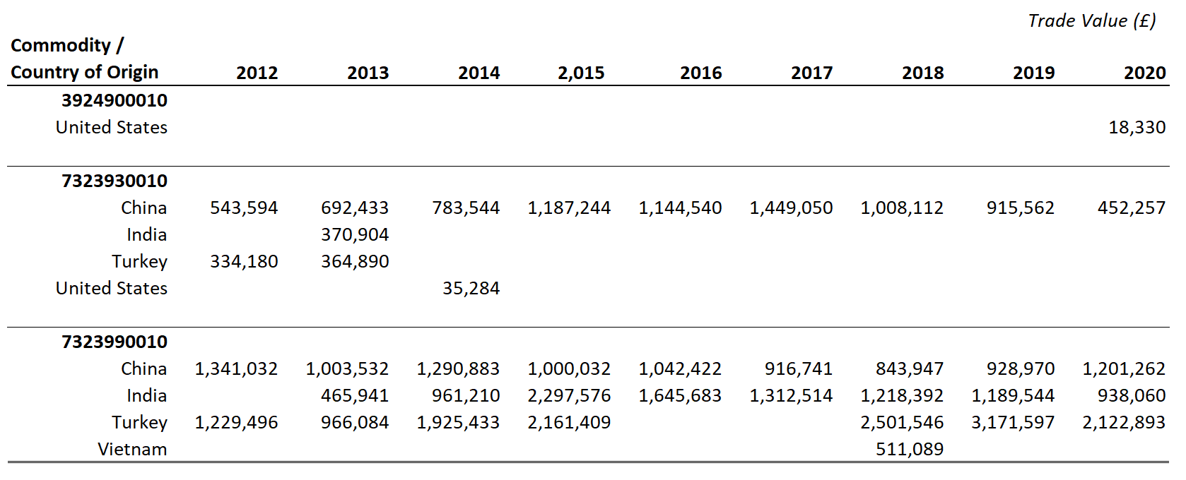

E2 - Table 2
Import Net Mass, selected tariff codes, 2012-2020

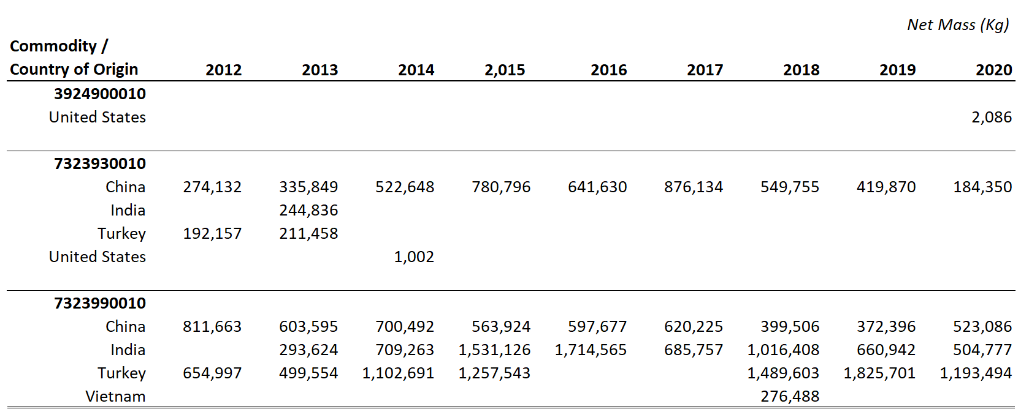

E2 - Table 3
Import Duty Value (calculated at time of declaration), selected tariff codes, 2012-2020

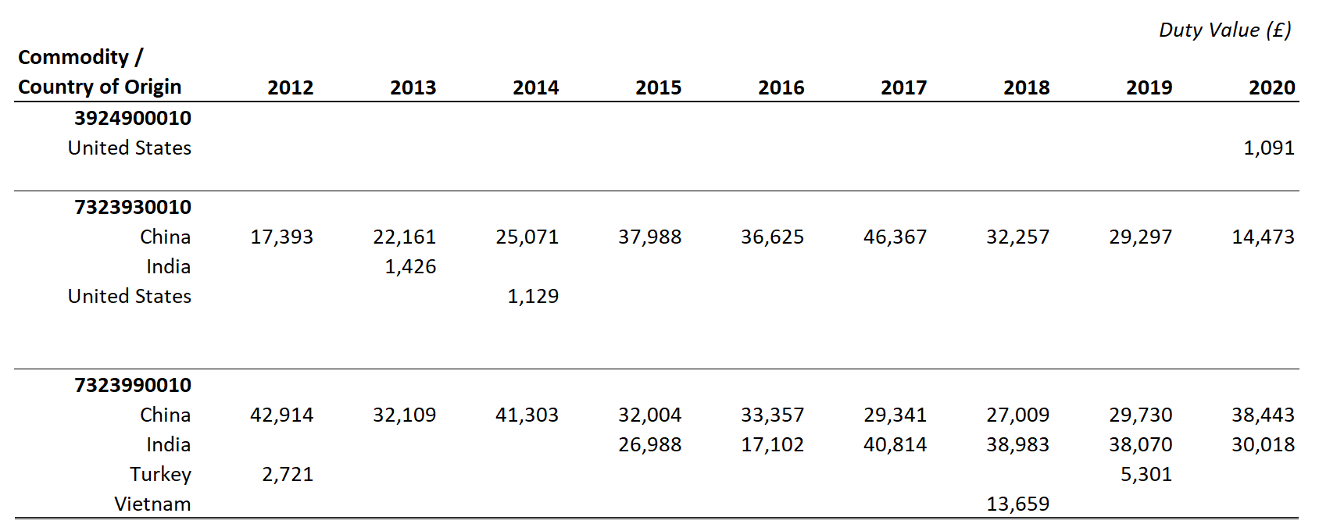

E1 - Metadata
FOI2021/21046 Value and Volume of imports to the UK by country of dispatch for selected TARIC codes, 2015-2021

Data Description :
Trade Value and Netmass for imports of TARIC codes 3924900010, 4421999910, 7323930010, 7323990010, 8516797010, 8516900051 by country of dispatch
Table 1: Trade Value, annually, 2015-2020
Table 2: Net Mass, annually, 2012-2020

Table 3: Trade Value, monthly, Jan-20 to Jun-21
Table 4: Net Mass, monthly, Jan-20 to Jun-21

Methodology :
All data has been extracted on a 'special trade' basis in the interest of year-to-year comparability. More information on trade bases is available under section 'Changes to methodology' here:
https://www.uktradeinfo.com/trade-data/help-with-using-our-data/

Data Caveats:
All data has been subject to HMRC statistical disclosure control (SDC). Where a cell of data shows 'S', this shows that the data within that cell has been removed (suppressed) as it is considered disclosive (revealing an individual trader's trade). Where a cell of data is blank, this indicates that there was no trade. More information on HMRC's policy on suppression is available here:
https://www.uktradeinfo.com/trade-data/suppressions-policy/
Trade is displayed on a Special Trade for all time periods.

Data Source :
HMRC, Overseas Trade Statistics

CONFIRM

