UK prices
Spot prices
 | Spot price

HR coil prices dynamic (UK)
 | HR coil
 | UK
 | Domestic
 | parity point
 | USD/t
Jan-18 | 685
Feb-18 | 720
Mar-18 | 730
Apr-18 | 728
May-18 | 697
Jun-18 | 669
Jul-18 | 676
Aug-18 | 679
Sep-18 | 684
Oct-18 | 682
Nov-18 | 643
Dec-18 | 609
Jan-19 | 613
Feb-19 | 630
Mar-19 | 592
Apr-19 | 575
May-19 | 563
Jun-19 | 545
Jul-19 | 538
Aug-19 | 513
Sep-19 | 519
Oct-19 | 498
Nov-19 | 476
Dec-19 | 499
Jan-20 | 527
Feb-20 | 542
Mar-20 | 558
Apr-20 | 508
May-20 | 493
Jun-20 | 484
Jul-20 | 475
Aug-20 | 536
Sep-20 | 573
Oct-20 | 614
Nov-20 | 665
Dec-20 | 783
Jan-21 | 851
Feb-21 | 900
Mar-21 | 906
Apr-21 | 1,120
May-21 | 1,292
Jun-21 | 1,581
Jul-21 | 1,298
Aug-21 | 1,399
Sep-21 | 1,370
Oct-21 | 1,237
Nov-21 | 1,146
Dec-21 | 1,114
Jan-22 | 1,120
Feb-22 | 1,103
Mar-22 | 1,266
Apr-22 | 1,478

Global Prices
Kallanish, USD/t HRC, E Asia CFR (Japan FOB)

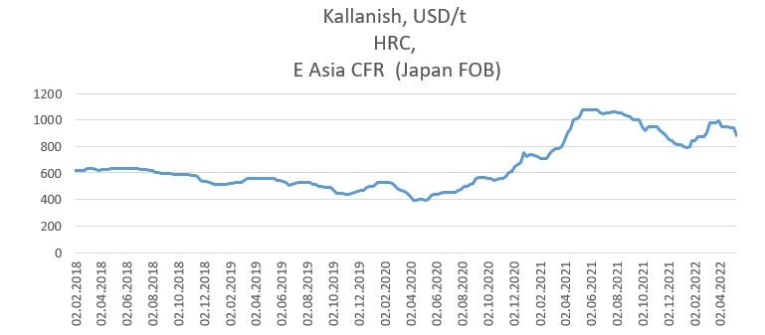
2018-02-02 | 620
2018-02-09 | 620
2018-02-16 | 620
2018-02-23 | 620
2018-03-02 | 635
2018-03-09 | 635
2018-03-16 | 630
2018-03-23 | 625
2018-03-30 | 620
2018-04-06 | 625
2018-04-13 | 625
2018-04-20 | 625
2018-04-27 | 630
2018-05-04 | 630
2018-05-11 | 630
2018-05-18 | 630
2018-05-25 | 630
2018-06-01 | 630
2018-06-08 | 630
2018-06-15 | 630
2018-06-22 | 630
2018-06-29 | 630
2018-07-06 | 625
2018-07-13 | 625
2018-07-20 | 625
2018-07-27 | 620
2018-08-03 | 620
2018-08-10 | 600
2018-08-17 | 600
2018-08-24 | 595
2018-08-31 | 595
2018-09-07 | 595
2018-09-14 | 595
2018-09-21 | 585
2018-09-28 | 585
2018-10-05 | 585
2018-10-12 | 585
2018-10-19 | 585
2018-10-26 | 585
2018-11-02 | 580
2018-11-09 | 580
2018-11-16 | 570
2018-11-23 | 540
2018-11-30 | 535
2018-12-07 | 535
2018-12-14 | 525
2018-12-21 | 520
2018-12-28 | 515
2019-01-04 | 515
2019-01-11 | 515
2019-01-18 | 515
2019-01-25 | 515
2019-02-01 | 520
2019-02-08 | 520
2019-02-15 | 525
2019-02-22 | 530
2019-03-01 | 530
2019-03-08 | 545
2019-03-15 | 555
2019-03-22 | 560
2019-03-29 | 560
2019-04-05 | 560
2019-04-12 | 560
2019-04-19 | 560
2019-04-26 | 560
2019-05-03 | 560
2019-05-10 | 560
2019-05-17 | 560
2019-05-24 | 545
2019-05-31 | 540
2019-06-07 | 535
2019-06-14 | 525
2019-06-21 | 505
2019-06-28 | 510
2019-07-05 | 520
2019-07-12 | 530
2019-07-19 | 530
2019-07-26 | 530
2019-08-02 | 530
2019-08-09 | 525
2019-08-16 | 515
2019-08-23 | 510
2019-08-30 | 500
2019-09-06 | 495
2019-09-13 | 490
2019-09-20 | 490
2019-09-27 | 490
2019-10-04 | 470
2019-10-11 | 445
2019-10-18 | 445
2019-10-25 | 445
2019-11-01 | 435
2019-11-08 | 440
2019-11-15 | 445
2019-11-22 | 450
2019-11-29 | 460
2019-12-06 | 470
2019-12-13 | 470
2019-12-20 | 490
2019-12-27 | 495
2020-01-03 | 495
2020-01-10 | 505
2020-01-17 | 525
2020-01-24 | 525
2020-01-31 | 525
2020-02-07 | 525
2020-02-14 | 525
2020-02-21 | 520
2020-02-28 | 500
2020-03-06 | 475
2020-03-13 | 465
2020-03-20 | 460
2020-03-27 | 445
2020-04-03 | 425
2020-04-10 | 395
2020-04-17 | 395
2020-04-24 | 400
2020-05-01 | 400
2020-05-08 | 395
2020-05-15 | 400
2020-05-22 | 430
2020-05-29 | 435
2020-06-05 | 440
2020-06-12 | 445
2020-06-19 | 450
2020-06-26 | 455
2020-07-03 | 455
2020-07-10 | 450
2020-07-17 | 455
2020-07-24 | 465
2020-07-31 | 475
2020-08-07 | 495
2020-08-14 | 495
2020-08-21 | 515
2020-08-28 | 520
2020-09-04 | 560
2020-09-11 | 565
2020-09-18 | 565
2020-09-25 | 565
2020-10-02 | 555
2020-10-09 | 555
2020-10-16 | 545
2020-10-23 | 550
2020-10-30 | 555
2020-11-06 | 560
2020-11-13 | 575
2020-11-20 | 600
2020-11-27 | 610
2020-12-04 | 650
2020-12-11 | 660
2020-12-18 | 680
2020-12-25 | 750
2021-01-01 | 720
2021-01-08 | 740
2021-01-15 | 735
2021-01-22 | 730
2021-01-29 | 720
2021-02-05 | 710
2021-02-12 | 710
2021-02-19 | 710
2021-02-26 | 745
2021-03-05 | 765
2021-03-12 | 780
2021-03-19 | 785
2021-03-26 | 800
2021-04-02 | 840
2021-04-09 | 900
2021-04-16 | 930
2021-04-23 | 1000
2021-04-30 | 1010
2021-05-07 | 1020
2021-05-14 | 1080
2021-05-21 | 1080
2021-05-28 | 1080
2021-06-04 | 1080
2021-06-11 | 1080
2021-06-18 | 1080
2021-06-25 | 1050
2021-07-02 | 1045
2021-07-09 | 1050
2021-07-16 | 1055
2021-07-23 | 1060
2021-07-30 | 1060
2021-08-06 | 1050
2021-08-13 | 1050
2021-08-20 | 1040
2021-08-27 | 1030
2021-09-03 | 1020
2021-09-10 | 1000
2021-09-17 | 1000
2021-09-24 | 1000
2021-10-01 | 950
2021-10-08 | 920
2021-10-15 | 950
2021-10-22 | 950
2021-10-29 | 950
2021-11-05 | 950
2021-11-12 | 920
2021-11-19 | 900
2021-11-26 | 880
2021-12-03 | 850
2021-12-10 | 845
2021-12-17 | 820
2021-12-24 | 815
2021-12-31 | 815
2022-01-07 | 795
2022-01-14 | 790
2022-01-21 | 795
2022-01-28 | 840
2022-02-04 | 840
2022-02-11 | 870
2022-02-18 | 870
2022-02-25 | 870
2022-03-04 | 900
2022-03-11 | 980
2022-03-18 | 980
2022-03-25 | 980
2022-04-01 | 990
2022-04-08 | 950
2022-04-15 | 950
2022-04-22 | 950
2022-04-29 | 940
2022-05-06 | 940
2022-05-13 | 880

